BUG_Test Steps
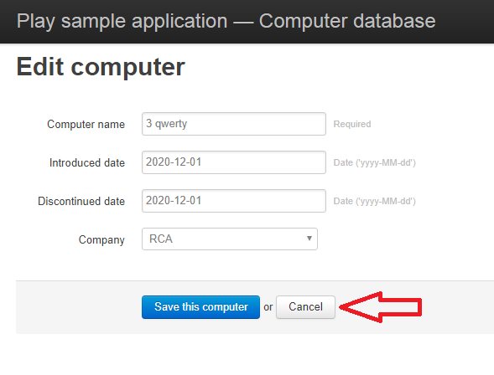
Pre-Conditions
1 | Should have the access to Computer Database application
2 | Should have a web browser installed in computer

Test Procedure
Step No. | Step Procedure | Expected Result | Actual Result
1 | Access the Computer Database application in a web browser with the following link: http://computer-database.herokuapp.com/computers | Homepage is displayed. Lists of computers is displayed | Homepage is displayed. Lists of computers is displayed
2 | Click on the 'Add a new computer' button | Add a computer page is displayed | Add a computer page is displayed
3 | Click on 'Cancel' button | Homepage is displayed. Lists of computers is displayed Should have a warning message when clicking "Cancel" button | Homepage is displayed. Lists of computers is displayed There was no warning message when clicking "Cancel" button
End of Test

Screenshot:

